Home
Rafael Menezes de Souza |  | Business Cash Flow

ENTRIES
REPORTS
CHARTS
Company
SOUZA LTDA

Income Chart of Accounts - Level 1
Monthly Cash Flow and Income
Financial Dashboard - Current Position
Income Chart of Accounts - Level 2
Revenue Details
Financial Dashboard - Monthly Position
Expense Chart of Accounts - Level 1
Expense Details
Responsible
Rafael M Souza
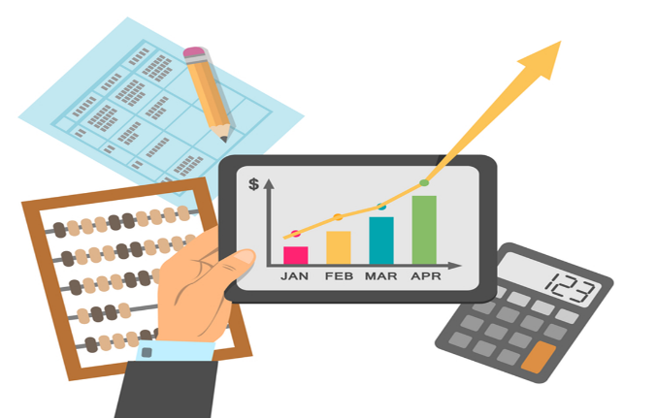
Expense Chart of Accounts - Level 2
Accounts Payable
Cash Inflow Record
Accounts Receivable

Cash Outflow Record
Overdue Accounts Receivable

 | PT: Este projeto consiste em um sistema de Fluxo de Caixa que poderá ser utilizado de verdade em vários tipos de negócio. O sistema vai trabalhar tanto com regime de caixa como com regime de competência. EN: This project consists of a Cash Flow system that can be used in real-life scenarios for various types of businesses. The system will work with both cash basis and accrual basis accounting.

 | Resources: Shapes Hiperlinks

IncomeChartL1
Rafael Menezes de Souza | INCOME CHART LEVEL 1
HOME

IncomeChartL2
Rafael Menezes de Souza | INCOME CHART LEVEL 2
HOME

ExpenseChartL1
Rafael Menezes de Souza | EXPENSE CHART LEVEL 1
HOME

ExpenseChartL2
Rafael Menezes de Souza | EXPENSE CHART LEVEL 2
HOME

IncomeRecord
Rafael Menezes de Souza | INCOME RECORD
HOME

ExpenseRecord
Rafael Menezes de Souza | EXPENSE RECORD
HOME

ConsolidatedCashFlow
Rafael Menezes de Souza | CONSOLIDATED CASH FLOW
HOME

RevenueDetails
Rafael Menezes de Souza | REVENUE DETAILS
HOME

ExpenseDetails
Rafael Menezes de Souza | EXPENSE DETAILS
HOME

AccountsPayable
Rafael Menezes de Souza | ACCOUNTS PAYABLE
HOME

AccountsReceivable
Rafael Menezes de Souza | ACCOUNTS RECEIVABLE
HOME

OverdueAccountsReceivable
Rafael Menezes de Souza | OVERDUE ACCOUNTS RECEIVABLE
HOME

CurrentFinancialDashboard
Rafael Menezes de Souza | CURRENT FINANCIAL DASHBOARD
HOME

MonthlyFinancialDashboard
Rafael Menezes de Souza | MONTLY FINANCIAL DASHBOARD
HOME

